LDBOND
LIC MF BOND FUND |  |  |  |  |  |  | Index

Monthly Portfolio Statement as on October 31,2022
Name of the Instrument | ISIN | Industry / Rating | Quantity | Market/Fair Value (Rounded, Rs. In Lacs) | Rounded, % to Net Assets | Yield

Debt Instruments
(a)Listed / Awaiting listing on stock Exchanges
7.26% Government of India | IN0020220060 | SOVEREIGN | 7,000,000.000 | 7,006.48 | 56.15% | 7.45%
7.8% State Government of Gujarat | IN1520220055 | SOVEREIGN | 2,500,000.000 | 2,557.16 | 20.49% | 7.78%
8.0% Housing Development Finance Corp Ltd. | INE001A07TO8 | CRISIL AAA | 100.000 | 1,021.86 | 8.19% | 7.98%
7.82% State Government of Gujarat | IN1520220030 | SOVEREIGN | 500,000.000 | 514.75 | 4.13% | 7.77%
7.86% State Government of Haryana | IN1620220112 | SOVEREIGN | 400,000.000 | 413.03 | 3.31% | 7.77%
7.98% State Government of Gujarat | IN1520160038 | SOVEREIGN | 53,800.000 | 56.66 | 0.45% | 7.47%
Sub Total |  |  |  | 11,569.94 | 92.72%

(b)Privately Placed/Unlisted
Sub Total |  |  |  | NIL | NIL

(c)Securitised Debt Instruments
Sub Total |  |  |  | NIL | NIL

TOTAL |  |  |  | 11,569.94 | 92.72%

Treps / Reverse Repo
Treps |  |  |  | 1,881.21 | 15.08%
Sub Total |  |  |  | 1,881.21 | 15.08%

TOTAL |  |  |  | 1,881.21 | 15.08%
Net Receivables / (Payables) |  |  |  | (972.29) | (7.80%)
GRAND TOTAL |  |  |  | 12,478.86 | 100.00%

The product is suitable for investors who are seeking* | Riskometer - Scheme | First Tier Benchmark | Riskometer - First Tier Benchmark
LIC MF Bond Fund | 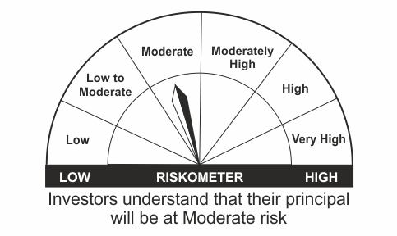 |  | 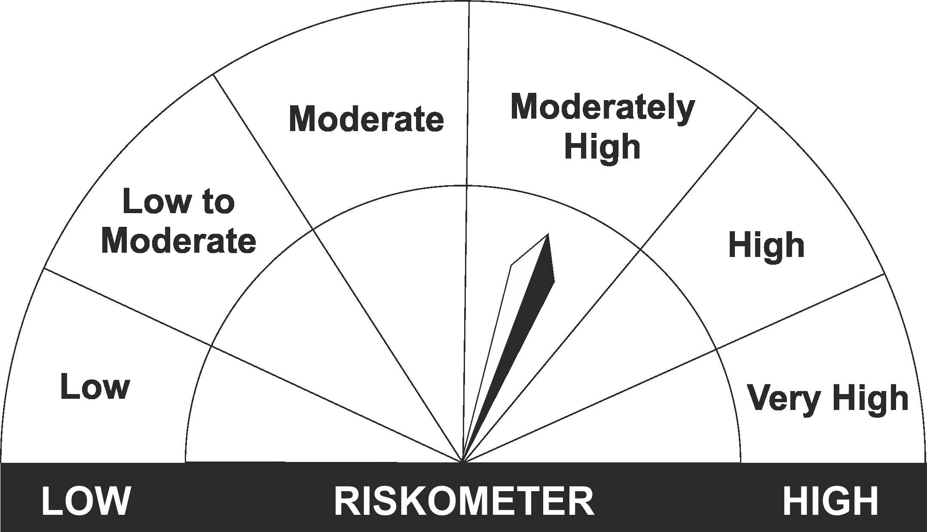
•Income Over Medium to long term |  | CRISIL Medium to Long Duration Fund BIII Index
•To generate income/capital appreciation through investments in Debt / Money Market Instruments
•Risk – Moderate |  | •Risk - Moderately High

*Investors should consult their financial advisers if in doubt about whether the product is suitable for them.
Mutual Fund investments are subject to market risks, read all scheme related documents carefully.

 | Potential Risk Class
LIC MF Bond Fund | Credit Risk | Relatively Low (Class A) | Moderate (Class B) | Relatively High (Class C)
 | Interest Rate Risk
 | Relatively Low (Class I)
 | Moderate (Class II)
 | Relatively High (Class III) |  | B-III

LDGETF
LIC MF NIFTY 8-13 YR G-SEC ETF | NSE Symbol: LICNETFGSC |  |  |  |  |  | Index

Monthly Portfolio Statement as on October 31,2022
Name of the Instrument | ISIN | Industry / Rating | Quantity | Market/Fair Value (Rounded, Rs. In Lacs) | Rounded, % to Net Assets | Yield

Debt Instruments
(a)Listed / Awaiting listing on stock Exchanges
6.54% Government of India | IN0020210244 | SOVEREIGN | 42,264,900.000 | 40,443.13 | 43.69% | 7.48%
7.26% Government of India | IN0020220060 | SOVEREIGN | 14,500,000.000 | 14,513.43 | 15.68% | 7.45%
6.1% Government of India | IN0020210095 | SOVEREIGN | 15,113,100.000 | 14,085.63 | 15.22% | 7.47%
6.64% Government of India | IN0020210020 | SOVEREIGN | 14,100,000.000 | 13,454.33 | 14.53% | 7.52%
7.5% Government of India | IN0020040039 | SOVEREIGN | 8,285,000.000 | 8,416.96 | 9.09% | 7.51%
Sub Total |  |  |  | 90,913.48 | 98.21%

(b)Privately Placed/Unlisted
Sub Total |  |  |  | NIL | NIL

(c)Securitised Debt Instruments
Sub Total |  |  |  | NIL | NIL

TOTAL |  |  |  | 90,913.48 | 98.21%

Treps / Reverse Repo
Treps |  |  |  | 1,573.58 | 1.70%
Sub Total |  |  |  | 1,573.58 | 1.70%

TOTAL |  |  |  | 1,573.58 | 1.70%
Net Receivables / (Payables) |  |  |  | 81.64 | 0.09%
GRAND TOTAL |  |  |  | 92,568.70 | 100.00%

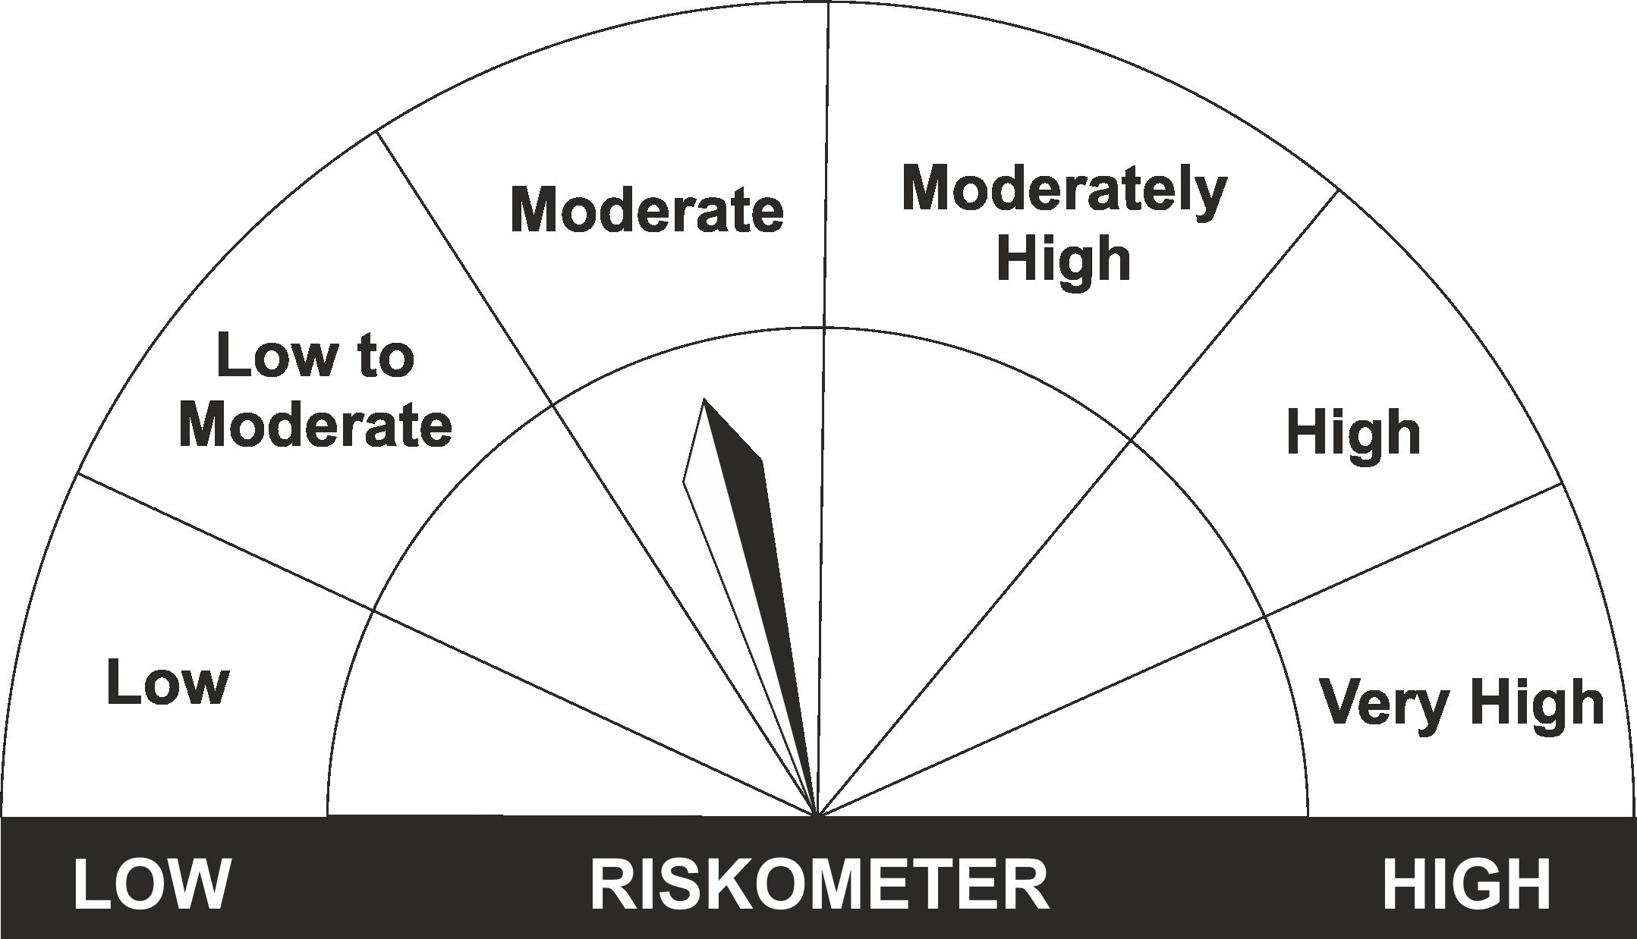
The product is suitable for investors who are seeking* | Riskometer - Scheme | First Tier Benchmark | Riskometer - First Tier Benchmark
LIC MF Nifty 8-13 yr G-Sec ETF
•Medium to long term regular Income. |  | Nifty 8-13 yr G-Sec
•Investment in securities in line with Nifty 8- 13 Yr G-Sec Index to generate comparable returns subject to tracking error.
•Risk - Moderate |  | •Risk - Moderate

*Investors should consult their financial advisers if in doubt about whether the product is suitable for them.
Mutual Fund investments are subject to market risks, read all scheme related documents carefully.

 | Potential Risk Class
LIC MF NIFTY 8-13 YR G-SEC ETF | Credit Risk | Relatively Low (Class A) | Moderate (Class B) | Relatively High (Class C)
 | Interest Rate Risk
 | Relatively Low (Class I)
 | Moderate (Class II)
 | Relatively High (Class III) | A-III

LDINPF
LIC MF BANKING & PSU DEBT FUND |  |  |  |  |  |  | Index

Monthly Portfolio Statement as on October 31,2022
Name of the Instrument | ISIN | Industry / Rating | Quantity | Market/Fair Value (Rounded, Rs. In Lacs) | Rounded, % to Net Assets | Yield

Debt Instruments
(a)Listed / Awaiting listing on stock Exchanges
6.88% REC Ltd. ** | INE020B08CK8 | CRISIL AAA | 1,000.000 | 10,318.05 | 8.05% | 7.55%
5.63% Government of India | IN0020210012 | SOVEREIGN | 8,250,000.000 | 7,859.13 | 6.13% | 7.31%
6.19% Indian Railway Finance Corporation Ltd. ** | INE053F07CC9 | CRISIL AAA | 750.000 | 7,712.17 | 6.02% | 7.31%
5.8% National Housing Bank ** | INE557F08FJ5 | CRISIL AAA | 500.000 | 5,093.49 | 3.98% | 7.28%
7.25% National Bk for Agriculture & Rural Dev. ** | INE261F08DQ4 | CRISIL AAA | 500.000 | 5,060.70 | 3.95% | 7.54%
7.25% Small Industries Development Bk of India ** | INE556F08KA6 | ICRA AAA | 500.000 | 5,057.33 | 3.95% | 7.55%
7.75% Small Industries Development Bk of India | INE556F08KD0 | ICRA AAA | 500.000 | 5,039.74 | 3.93% | 7.59%
4.5% Oil & Natural Gas Corporation Ltd. ** | INE213A08040 | ICRA AAA | 500.000 | 5,009.86 | 3.91% | 7.41%
7.13% Power Finance Corporation Ltd. ** | INE134E08LP1 | CRISIL AAA | 500.000 | 4,996.05 | 3.90% | 7.58%
7.39% Bank of Baroda ** | INE028A08281 | CRISIL AAA | 500.000 | 4,981.10 | 3.89% | 7.75%
5.32% National Housing Bank ** | INE557F08FK3 | CRISIL AAA | 450.000 | 4,527.98 | 3.53% | 7.37%
7.38% Government of India | IN0020220037 | SOVEREIGN | 4,300,000.000 | 4,415.22 | 3.45% | 7.38%
6.55% NTPC Ltd. ** | INE733E08148 | CRISIL AAA | 400.000 | 4,126.32 | 3.22% | 7.22%
9.25% Power Grid Corporation of India Ltd. ** | INE752E07JI1 | CRISIL AAA | 200.000 | 2,703.59 | 2.11% | 6.79%
8.5% National Bk for Agriculture & Rural Dev. | INE261F08AT4 | CRISIL AAA | 250.000 | 2,665.86 | 2.08% | 7.02%
6.75% Power Finance Corporation Ltd. ** | INE134E08KS7 | CRISIL AAA | 250.000 | 2,564.71 | 2.00% | 7.33%
7.34% Power Grid Corporation of India Ltd. ** | INE752E08569 | CRISIL AAA | 250.000 | 2,550.73 | 1.99% | 7.41%
6.09% Housing & Urban Development Corp Ltd. ** | INE031A08780 | ICRA AAA | 250.000 | 2,532.81 | 1.98% | 7.33%
7.12% Hindustan Petroleum Corporation Ltd. ** | INE094A08127 | CRISIL AAA | 250.000 | 2,530.28 | 1.98% | 7.48%
5.84% Indian Oil Corporation Ltd. ** | INE242A08510 | CRISIL AAA | 250.000 | 2,521.48 | 1.97% | 7.48%
6.59% Indian Railway Finance Corporation Ltd. ** | INE053F07BZ2 | CRISIL AAA | 250.000 | 2,499.65 | 1.95% | 7.31%
4.64% Oil & Natural Gas Corporation Ltd. ** | INE213A08032 | ICRA AAA | 250.000 | 2,436.52 | 1.90% | 7.38%
5.74% Government of India | IN0020210186 | SOVEREIGN | 2,500,000.000 | 2,430.81 | 1.90% | 7.31%
8.8% Power Grid Corporation of India Ltd. ** | INE752E07KN9 | CRISIL AAA | 150.000 | 1,590.98 | 1.24% | 7.13%
8.23% REC Ltd. ** | INE020B08898 | CRISIL AAA | 150.000 | 1,576.75 | 1.23% | 7.55%
6.44% Indian Oil Corporation Ltd. ** | INE242A08445 | CRISIL AAA | 150.000 | 1,571.69 | 1.23% | 7.28%
8.94% Export Import Bank of India ** | INE514E08CB3 | CRISIL AAA | 100.000 | 1,077.50 | 0.84% | 6.72%
7.15% Small Industries Development Bk of India ** | INE556F08JY8 | ICRA AAA | 100.000 | 1,020.55 | 0.80% | 7.55%
Sub Total |  |  |  | 106,471.05 | 83.11%

(b)Privately Placed/Unlisted
Sub Total |  |  |  | NIL | NIL

(c)Securitised Debt Instruments
Sub Total |  |  |  | NIL | NIL

TOTAL |  |  |  | 106,471.05 | 83.11%

Money Market Instruments

Certificate of Deposit
HDFC Bank Ltd. ** # | INE040A16CV8 | CARE A1+ | 1,000.000 | 4,904.80 | 3.83% | 7.01%
State Bank of India ** # | INE062A16465 | ICRA A1+ | 1,000.000 | 4,701.38 | 3.67% | 7.36%
Sub Total |  |  |  | 9,606.18 | 7.50%

Commercial Paper
Hindustan Petroleum Corporation Ltd. ** | INE094A14JG6 | CRISIL A1+ | 1,500.000 | 7,498.70 | 5.85% | 6.32%
Sub Total |  |  |  | 7,498.70 | 5.85%

Treasury Bill
182 DAYS TBILL RED 10-11-2022 | IN002022Y062 | SOVEREIGN | 300,000.000 | 299.56 | 0.23% | 6.03%
Sub Total |  |  |  | 299.56 | 0.23%

TOTAL |  |  |  | 17,404.44 | 13.58%

Treps / Reverse Repo
Treps |  |  |  | 4,520.66 | 3.53%
Sub Total |  |  |  | 4,520.66 | 3.53%

TOTAL |  |  |  | 4,520.66 | 3.53%
Net Receivables / (Payables) |  |  |  | (285.47) | (0.22%)
GRAND TOTAL |  |  |  | 128,110.68 | 100.00%

# Unlisted Security
** Non Traded Security

The product is suitable for investors who are seeking* | Riskometer - Scheme | First Tier Benchmark | Riskometer - First Tier Benchmark
LIC MF Banking & PSU Debt Fund | 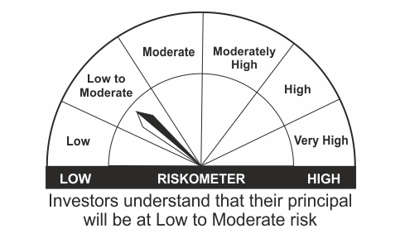
•Income for medium term capital appreciation with current income. |  | NIFTY Banking & PSU Debt Index
•An income fund that invests predominantly in debt and money market instruments issued by Banks, Public Sector Undertakings, Public Financial Institutions and Municipal Bonds
•Risk – Low to Moderate |  | •Risk - Moderate

*Investors should consult their financial advisers if in doubt about whether the product is suitable for them.
Mutual Fund investments are subject to market risks, read all scheme related documents carefully.

 | Potential Risk Class
LIC MF Banking & PSU Debt Fund | Credit Risk | Relatively Low (Class A) | Moderate (Class B) | Relatively High (Class C)
 | Interest Rate Risk
 | Relatively Low (Class I)
 | Moderate (Class II)
 | Relatively High (Class III) | A-III

LDMIPF
LIC MF DEBT HYBRID FUND |  |  |  |  |  |  | Index

Monthly Portfolio Statement as on October 31,2022
Name of the Instrument | ISIN | Industry / Rating | Quantity | Market/Fair Value (Rounded, Rs. In Lacs) | Rounded, % to Net Assets | Yield
Equity & Equity related
(a)Listed / Awaiting listing on Stock Exchanges
ICICI Bank Ltd. | INE090A01021 | Banks | 39,694.000 | 360.70 | 5.56%
Infosys Ltd. | INE009A01021 | IT - Software | 19,352.000 | 297.57 | 4.58%
HDFC Bank Ltd. | INE040A01034 | Banks | 8,307.000 | 124.33 | 1.92%
Hindustan Unilever Ltd. | INE030A01027 | Diversified FMCG | 4,733.000 | 120.72 | 1.86%
Nestle India Ltd. | INE239A01016 | Food Products | 571.000 | 116.28 | 1.79%
Mahindra & Mahindra Ltd. | INE101A01026 | Automobiles | 8,441.000 | 113.84 | 1.75%
Reliance Industries Ltd. | INE002A01018 | Petroleum Products | 4,460.000 | 113.71 | 1.75%
Larsen & Toubro Infotech Ltd. | INE214T01019 | IT - Software | 1,595.000 | 75.60 | 1.16%
Bharti Airtel Ltd. | INE397D01024 | Telecom - Services | 7,246.000 | 60.29 | 0.93%
Tech Mahindra Ltd. | INE669C01036 | IT - Software | 4,830.000 | 51.36 | 0.79%
Abbott India Ltd. | INE358A01014 | Pharmaceuticals & Biotechnology | 69.000 | 13.28 | 0.20%
Bharti Airtel Ltd. PARTLY PAID UP FV 1.25 | IN9397D01014 | Telecom - Services | 642.000 | 2.82 | 0.04%
Sub Total |  |  |  | 1,450.50 | 22.35%
(b) Unlisted
Sub Total |  |  |  | NIL | NIL

TOTAL |  |  |  | 1,450.50 | 22.35%

Debt Instruments
(a)Listed / Awaiting listing on stock Exchanges
5.74% Government of India | IN0020210186 | SOVEREIGN | 2,000,000.000 | 1,944.65 | 29.96% | 7.31%
7.38% Government of India | IN0020220037 | SOVEREIGN | 1,600,000.000 | 1,642.87 | 25.31% | 7.38%
7.32% Government of India | IN0020180488 | SOVEREIGN | 500,000.000 | 510.79 | 7.87% | 7.08%
5.63% Government of India | IN0020210012 | SOVEREIGN | 300,000.000 | 285.79 | 4.40% | 7.31%
8.3% Government of India | IN0020100031 | SOVEREIGN | 60,000.000 | 65.89 | 1.02% | 7.57%
8.49% NTPC Ltd. ** | INE733E07JP6 | CRISIL AAA | 47,900.000 | 6.38 | 0.10% | 7.41%
Sub Total |  |  |  | 4,456.37 | 68.66%

(b)Privately Placed/Unlisted
Sub Total |  |  |  | NIL | NIL

(c)Securitised Debt Instruments
Sub Total |  |  |  | NIL | NIL

TOTAL |  |  |  | 4,456.37 | 68.66%

Money Market Instruments

Certificate of Deposit
HDFC Bank Ltd. ** # | INE040A16DJ1 | CARE A1+ | 100.000 | 472.35 | 7.28% | 7.55%
Sub Total |  |  |  | 472.35 | 7.28%

TOTAL |  |  |  | 472.35 | 7.28%

Treps / Reverse Repo
Treps |  |  |  | 114.01 | 1.76%
Sub Total |  |  |  | 114.01 | 1.76%

TOTAL |  |  |  | 114.01 | 1.76%
Net Receivables / (Payables) |  |  |  | (2.51) | (0.05%)
GRAND TOTAL |  |  |  | 6,490.72 | 100.00%

# Unlisted Security
** Non Traded Security

The product is suitable for investors who are seeking* | Riskometer - Scheme | First Tier Benchmark | Riskometer - First Tier Benchmark
LIC MF Debt Hybrid Fund | 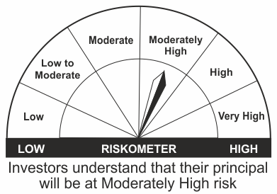
•Medium term capital appreciation with current income |  | CRISIL Hybrid 85+15 - Conservative Index
•A fund that invests predominantly in debt instruments with marginal equity exposure.
•Risk - Moderately High |  | •Risk - Moderately High

*Investors should consult their financial advisers if in doubt about whether the product is suitable for them.
Mutual Fund investments are subject to market risks, read all scheme related documents carefully.

LDMNMF
LIC MF MONEY MARKET FUND |  |  |  |  |  |  | Index

Monthly Portfolio Statement as on October 31,2022
Name of the Instrument | ISIN | Industry / Rating | Quantity | Market/Fair Value (Rounded, Rs. In Lacs) | Rounded, % to Net Assets | Yield

Money Market Instruments

Treasury Bill
364 DAYS TBILL RED 27-07-2023 | IN002022Z176 | SOVEREIGN | 5,000,000.000 | 4,760.57 | 39.66% | 6.85%
91 DAYS TBILL RED 05-01-2023 | IN002022X270 | SOVEREIGN | 2,500,000.000 | 2,472.05 | 20.59% | 6.35%
Sub Total |  |  |  | 7,232.62 | 60.25%

TOTAL |  |  |  | 7,232.62 | 60.25%

Treps / Reverse Repo
Treps |  |  |  | 4,732.43 | 39.42%
Sub Total |  |  |  | 4,732.43 | 39.42%

TOTAL |  |  |  | 4,732.43 | 39.42%
Net Receivables / (Payables) |  |  |  | 38.76 | 0.33%
GRAND TOTAL |  |  |  | 12,003.81 | 100.00%

The product is suitable for investors who are seeking* | Riskometer - Scheme | First Tier Benchmark | Riskometer - First Tier Benchmark
LIC MF Money Market Fund | 
•Income over short term. |  | NIFTY Money Market Index B-I
•Investment in money market instruments with maturity upto one year.
•Risk – Low |  | •Risk - Moderate

*Investors should consult their financial advisers if in doubt about whether the product is suitable for them.
Mutual Fund investments are subject to market risks, read all scheme related documents carefully.

 | Potential Risk Class
LIC MF Money Market Fund | Credit Risk | Relatively Low (Class A) | Moderate (Class B) | Relatively High (Class C)
 | Interest Rate Risk
 | Relatively Low (Class I) |  | B-I
 | Moderate (Class II)
 | Relatively High (Class III)

LLIQDF
LIC MF LIQUID FUND |  |  |  |  |  |  | Index

Monthly Portfolio Statement as on October 31,2022
Name of the Instrument | ISIN | Industry / Rating | Quantity | Market/Fair Value (Rounded, Rs. In Lacs) | Rounded, % to Net Assets | Yield

Money Market Instruments

Certificate of Deposit
Kotak Mahindra Bank Ltd. ** # | INE237A163O4 | CRISIL A1+ | 2,500.000 | 12,447.45 | 2.24% | 6.42%
HDFC Bank Ltd. ** # | INE040A16DL7 | CARE A1+ | 2,000.000 | 9,858.16 | 1.78% | 6.91%
Axis Bank Ltd. ** # | INE238A164Y0 | CRISIL A1+ | 1,000.000 | 4,991.40 | 0.90% | 6.29%
Axis Bank Ltd. ** # | INE238A167X5 | CRISIL A1+ | 1,000.000 | 4,966.82 | 0.90% | 6.59%
Sub Total |  |  |  | 32,263.83 | 5.82%

Commercial Paper
Small Industries Development Bk of India ** | INE556F14IJ9 | CRISIL A1+ | 7,000.000 | 34,805.65 | 6.28% | 6.58%
Birla Group Holdings Pvt Ltd. ** | INE09OL14BD3 | CRISIL A1+ | 5,000.000 | 24,927.28 | 4.50% | 7.10%
Hero Fincorp Ltd. ** | INE957N14GG3 | CRISIL A1+ | 4,000.000 | 19,992.56 | 3.61% | 6.79%
Reliance Jio Infocomm Ltd. ** | INE110L14RC9 | CRISIL A1+ | 4,000.000 | 19,850.82 | 3.58% | 6.69%
Birla Group Holdings Pvt Ltd. ** | INE09OL14BE1 | CRISIL A1+ | 3,000.000 | 14,953.47 | 2.70% | 7.10%
Export Import Bank of India ** | INE514E14QP1 | CARE A1+ | 3,000.000 | 14,908.70 | 2.69% | 6.57%
UPL Ltd. ** | INE628A14GT0 | CRISIL A1+ | 2,500.000 | 12,359.46 | 2.23% | 7.03%
Indian Oil Corporation Ltd. ** | INE242A14XF4 | CRISIL A1+ | 2,000.000 | 9,982.77 | 1.80% | 6.30%
REDINGTON LIMITED ** | INE891D14VT7 | CRISIL A1+ | 2,000.000 | 9,974.07 | 1.80% | 6.78%
Kotak Securities Ltd. ** | INE028E14KT7 | ICRA A1+ | 2,000.000 | 9,961.36 | 1.80% | 6.74%
National Bk for Agriculture & Rural Dev. ** | INE261F14JA3 | CRISIL A1+ | 2,000.000 | 9,960.98 | 1.80% | 6.50%
Indian Oil Corporation Ltd. ** | INE242A14XG2 | CRISIL A1+ | 2,000.000 | 9,959.09 | 1.80% | 6.52%
Housing Development Finance Corp Ltd. ** | INE001A14YY3 | CARE A1+ | 2,000.000 | 9,956.60 | 1.80% | 6.63%
TVS Credit Services Ltd. ** | INE729N14GX1 | CRISIL A1+ | 2,000.000 | 9,956.24 | 1.80% | 6.98%
Berger Paints (I) Ltd. ** | INE463A14MR4 | CRISIL A1+ | 2,000.000 | 9,951.86 | 1.79% | 6.54%
National Bk for Agriculture & Rural Dev. ** | INE261F14JB1 | CRISIL A1+ | 2,000.000 | 9,948.63 | 1.79% | 6.50%
Aditya Birla Finance Ltd. ** | INE860H14Y66 | ICRA A1+ | 2,000.000 | 9,941.74 | 1.79% | 6.90%
NTPC Ltd. ** | INE733E14BH6 | FITCH A1+ | 2,000.000 | 9,924.91 | 1.79% | 6.58%
ICICI Securities Ltd. ** | INE763G14NH3 | CRISIL A1+ | 2,000.000 | 9,921.63 | 1.79% | 7.03%
Tata Capital Financial Services Ltd. ** | INE306N14UY7 | CRISIL A1+ | 2,000.000 | 9,892.86 | 1.78% | 6.94%
Godrej Industries Ltd. ** | INE233A14WC2 | ICRA A1+ | 1,500.000 | 7,456.84 | 1.34% | 6.82%
Godrej Industries Ltd. ** | INE233A14VV4 | ICRA A1+ | 1,300.000 | 6,496.48 | 1.17% | 6.59%
REDINGTON LIMITED ** | INE891D14VS9 | CRISIL A1+ | 1,000.000 | 4,985.95 | 0.90% | 6.86%
Godrej Agrovet Ltd. ** | INE850D14NE2 | ICRA A1+ | 1,000.000 | 4,973.61 | 0.90% | 6.68%
Sub Total |  |  |  | 295,043.56 | 53.21%

Treasury Bill
182 DAYS TBILL RED 08-12-2022 | IN002022Y104 | SOVEREIGN | 20,500,000.000 | 20,373.19 | 3.67% | 6.14%
91 DAYS TBILL RED 17-11-2022 | IN002022X205 | SOVEREIGN | 18,285,300.000 | 18,237.14 | 3.29% | 6.02%
91 DAYS TBILL RED 10-11-2022 | IN002022X197 | SOVEREIGN | 15,000,000.000 | 14,977.76 | 2.70% | 6.03%
182 DAYS TBILL RED 29-12-2022 | IN002022Y138 | SOVEREIGN | 12,500,000.000 | 12,378.05 | 2.23% | 6.20%
182 DAYS TBILL RED 24-11-2022 | IN002022Y088 | SOVEREIGN | 10,000,000.000 | 9,962.18 | 1.80% | 6.02%
91 DAYS TBILL RED 05-01-2023 | IN002022X270 | SOVEREIGN | 10,000,000.000 | 9,888.18 | 1.78% | 6.35%
91 DAYS TBILL RED 12-01-2023 | IN002022X288 | SOVEREIGN | 10,000,000.000 | 9,876.29 | 1.78% | 6.35%
91 DAYS TBILL RED 19-01-2023 | IN002022X296 | SOVEREIGN | 10,000,000.000 | 9,862.85 | 1.78% | 6.42%
91 DAYS TBILL RED 15-12-2022 | IN002022X247 | SOVEREIGN | 3,506,500.000 | 3,480.70 | 0.63% | 6.15%
Sub Total |  |  |  | 109,036.34 | 19.66%

TOTAL |  |  |  | 436,343.73 | 78.69%

Treps / Reverse Repo
Treps |  |  |  | 118,000.23 | 21.28%
Sub Total |  |  |  | 118,000.23 | 21.28%

TOTAL |  |  |  | 118,000.23 | 21.28%
Net Receivables / (Payables) |  |  |  | 130.60 | 0.03%
GRAND TOTAL |  |  |  | 554,474.56 | 100.00%

# Unlisted Security
** Non Traded Security

LIC MF Arbitrage Fund has invested (inter scheme investments) in LIC MF Liquid Fund. Market value of such investments as on 31st October 2022 is 755.39 lacs.

The product is suitable for investors who are seeking* | Riskometer - Scheme | First Tier Benchmark | Riskometer - First Tier Benchmark
LIC MF Liquid Fund |  |  | 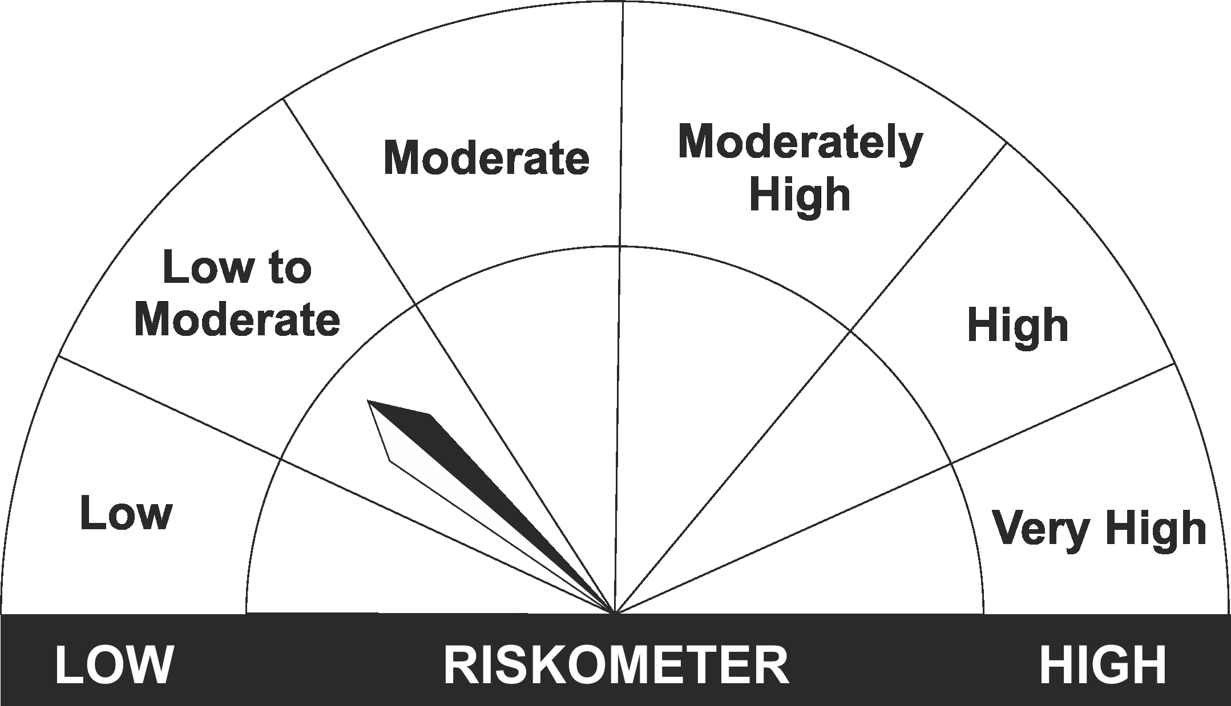
•Income for short term |  | CRISIL Liquid Fund BI Index
•Investment in Debt/Money Market Instruments with maturity of upto 91 days.
•Risk – Low to Moderate |  | •Risk – Low to Moderate

*Investors should consult their financial advisers if in doubt about whether the product is suitable for them.
Mutual Fund investments are subject to market risks, read all scheme related documents carefully.

 | Potential Risk Class
LIC MF Liquid Fund | Credit Risk | Relatively Low (Class A) | Moderate (Class B) | Relatively High (Class C)
 | Interest Rate Risk
 | Relatively Low (Class I) |  | B-I
 | Moderate (Class II)
 | Relatively High (Class III)

